Indices

 | Iraq Stock Exchange
 | Bulletin No (30)
 | ISX Trading Indices of Monday 16/2/2026

 | Traded Volume and OTC |  | 726,974,944 |  | Traded Value and OTC |  | 1,232,507,317 |  | Traders | 636

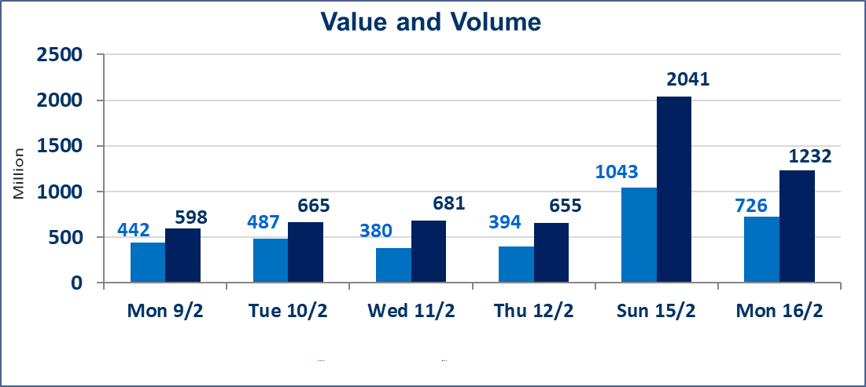
 | ISX Index 60 |  |  | 947.78 | ISX Index 15 |  |  | 1229.17
 | Previous ISX Index60 |  |  | 951.57 | Previous ISX Index15 |  |  | 1228.52
 | Change % |  |  | -0.40 | Change % |  |  | 0.05
 | Change |  |  | -3.79 | Change |  |  | 0.65

 | Listed Companies | 104 | OTC | 14 | Non Traded listed | 43 | OTC | 12
 | Traded Listed Companies | 51 | OTC | 2 | Higher Companies |  |  | 7
 | GAM Companies |  |  | 0 | Lower Companies |  |  | 18
 | Suspended Companies |  |  | 10
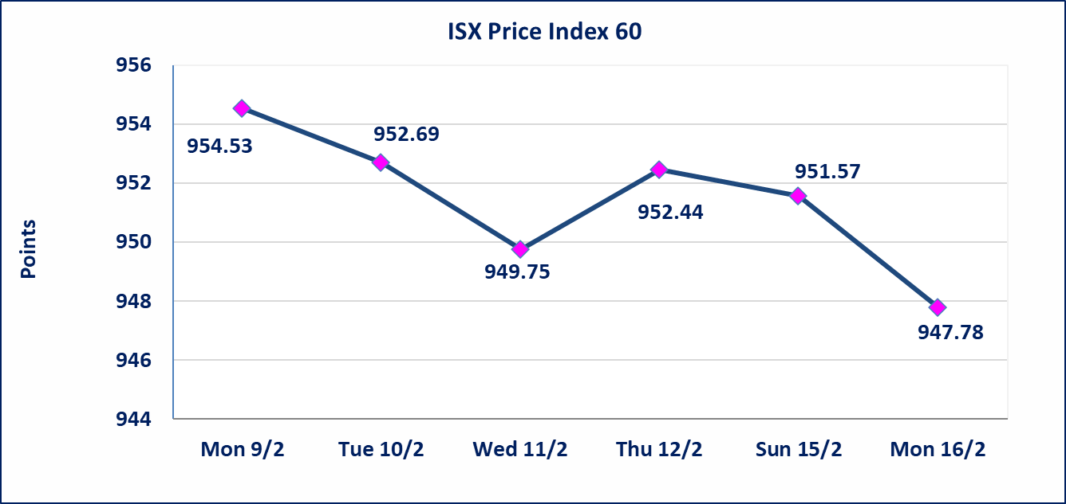
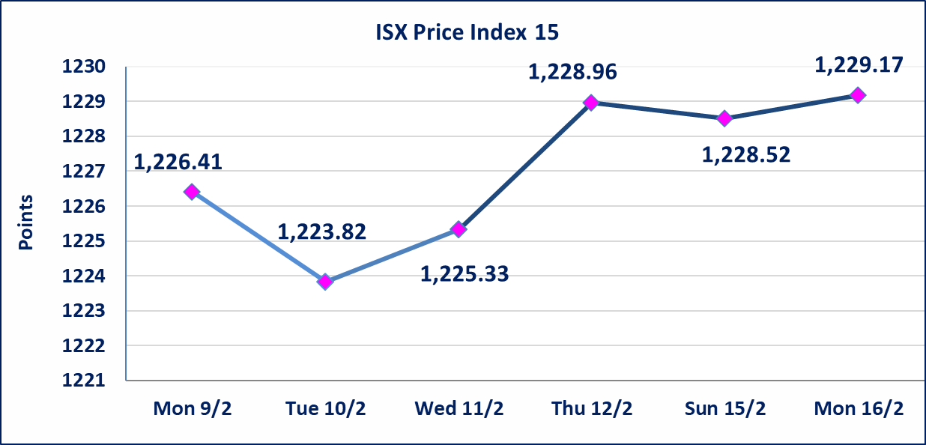

Al-Alwiya P.O . 3607 Mobile: 07711211522 - 07270094594 - 07834000034 E-mail: info-isx@isx-iq.net Web site:www.isx-iq.net

Top 5
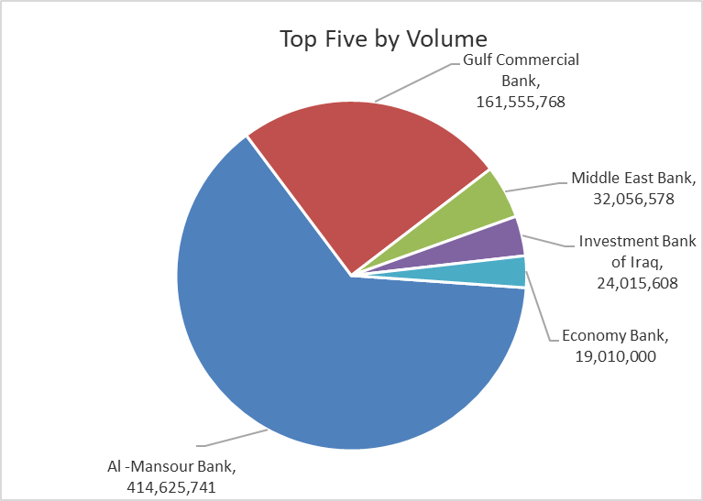
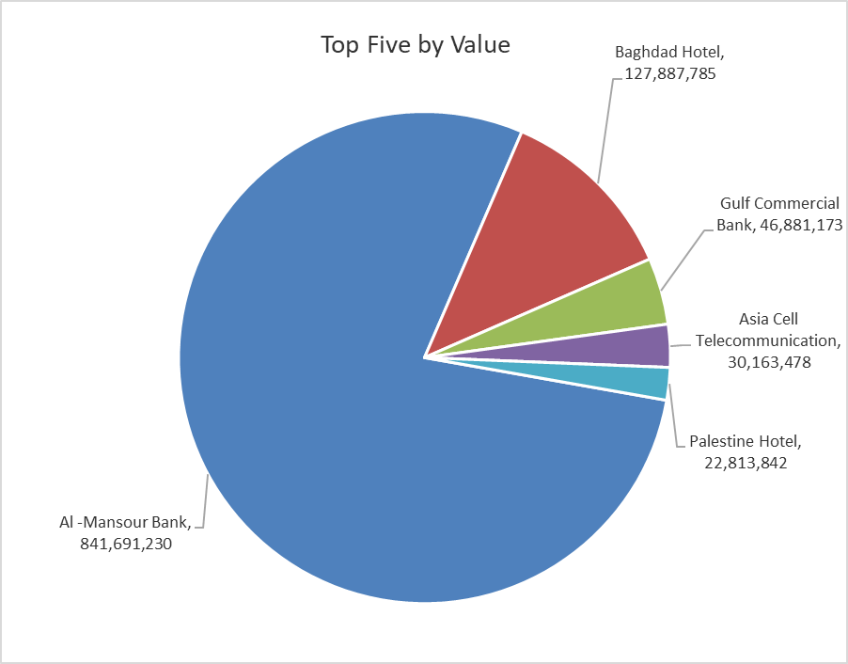

ISX top ganing and losing companies
Monday 16/2/2026
 | Gainers |  |  |  | Losers
 | Company Name | Closing Price | Change (%) | Traded Volume | Company Name | Closing Price | Change (%) | Traded Volume
 | International Islamic Bank | 0.200 | 11.11 | 49,701 | Middle East Bank | 0.060 | -14.29 | 32,056,578
 | National Chemical &Plastic | 1.970 | 3.68 | 38,707 | Elaf Islamic Bank | 0.210 | -12.50 | 1,000
 | Gulf Commercial Bank | 0.300 | 3.45 | 161,555,768 | Mosul Bank For Investment | 0.120 | -7.69 | 180,580
 | National Bank of Iraq | 4.800 | 1.69 | 4,662,869 | Kurdistan International Bank | 1.550 | -6.06 | 340,366
 | Babil Animal & Vegetable Production | 6.800 | 1.49 | 15,618 | Al-Ameen Estate Investment | 1.800 | -5.26 | 728,531
 | The most active companies in term of traded volume and value

 | Traded Volume |  |  |  | Traded Value
 | Company Name | Closing Price | Change (%) | Traded Volume | Company Name | Closing Price | Change (%) | Traded Value
 | Al -Mansour Bank | 2.030 | -0.49 | 414,625,741 | Al -Mansour Bank | 2.030 | -0.49 | 841,691,230
 | Gulf Commercial Bank | 0.300 | 3.45 | 161,555,768 | Baghdad Hotel | 11.500 | 0.00 | 127,887,785
 | Middle East Bank | 0.060 | -14.29 | 32,056,578 | Gulf Commercial Bank | 0.300 | 3.45 | 46,881,173
 | Investment Bank of Iraq | 0.220 | 0.00 | 24,015,608 | Asia Cell Telecommunication | 14.960 | -0.13 | 30,163,478
 | Economy Bank | 0.220 | 0.00 | 19,010,000 | Palestine Hotel | 19.250 | 0.00 | 22,813,842

Non Iraqis

Iraq Stock Exchange
Non Iraqis' Bulletin Monday Feb 16 2026
Regular Market

Non Iraqi Trading of Regular Market (Buy)
Company Names | Code | No.of trades | Traded Shares | Trading Volume
Banks Sector
Gulf Commercial Bank | BGUC | 22 | 55,000,000 | 15,950,000
Total Bank sector |  | 22 | 55,000,000 | 15,950,000
Grand Total |  | 22 | 55,000,000 | 15,950,000

Non Iraqi Trading of Regular Market (Sell)
Company Names | Code | No.of trades | Traded Shares | Trading Volume
Banks Sector
Al-Mansour Bank | BMNS | 62 | 401,705,286 | 815,461,731
Total Bank sector |  | 62 | 401,705,286 | 815,461,731
Grand Total |  | 62 | 401,705,286 | 815,461,731

Not Trading Bonds

Iraq Stock Exchange
Monday 16/2/2026
Not Trading Bonds Bulletin
Bond type | Publish type | Code | last trading price | immortilize date
Banaa Bonds /Million ID | Second | CB20 | 964,981 | 19/12/2025
Eamar Bonds /Million ID | First | CB30 | 1,001,095 | ــــــــــــــــ
Eamar Bonds /Million ID | Second | CB40 | ــــــــــــــــ | ــــــــــــــــ
Eamar Bonds /500 Thousand ID | Third | CB45 | ــــــــــــــــ | ــــــــــــــــ
Eamar Bonds /Million ID | Third | CB50 | ــــــــــــــــ | ــــــــــــــــ
Injaz Bonds /500 Thousand ID | First | CB55 | ــــــــــــــــ | ــــــــــــــــ
Injaz Bonds /Million ID | First | CB60 | ــــــــــــــــ | ــــــــــــــــ
Injaz Bonds /500 Thousand ID | Second | CB65 | 515,047 | ــــــــــــــــ
Injaz Bonds /Million ID | Second | CB70 | 1,026,082 | ــــــــــــــــ
Injaz Bonds /500 Thousand ID | Third | CB75 | ــــــــــــــــ | ــــــــــــــــ
Injaz Bonds /Million ID | Third | CB80 | 978,182 | ــــــــــــــــ
National Bonds/Million ID | First | CB90 | ــــــــــــــــ | ــــــــــــــــ
National Bonds/500 Thousand ID | Second | CB95 | ــــــــــــــــ | ــــــــــــــــ
National Bonds/Million ID | Second | CB100 | ــــــــــــــــ | ــــــــــــــــ

